Option 2
Quotation for Rectification work of Toilet Exhaust system 20th to 24th Floor BAHL Center Point Karachi

Option 2 Based on BVN brand

 |  |  |  | Rate |  | Amount |  | TOTAL
Sr. No. | DESCRIPTION | UNIT | QTY | Material | Labour | Material | Labour | AMOUNT
 | All works shall be completed, tested and commissioned as per drawings, specifications and as per instruction of Consultant | Job. | 1 |  | 195,000 | - | 195,000 | 195,000
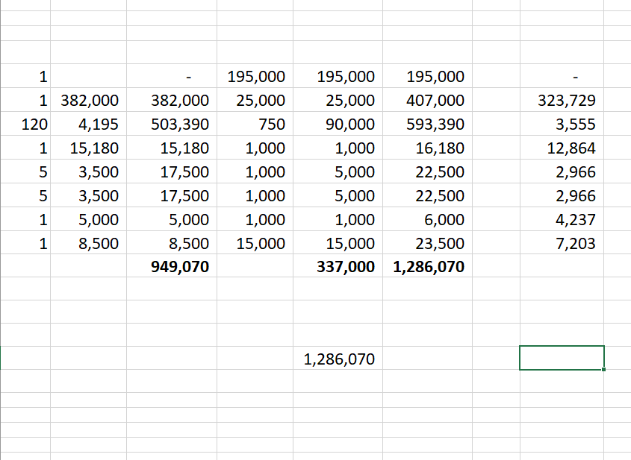
1 | Cutting dismantling and shifting of the existing MV works as per instruction of consultant, including cleaning the site and shifting the dismantled parts / material to suitable place given by client complete in all respects ready to operate as per drawings and as per instruction of consultant.
2 | Supply, installation, balancing, testing and commissioning of ventilation fans as per mentioned in schedule, including supply & installation of vibration isolator, electrical connection, flexible duct connection / connector, supports, power wiring upto 15 feet, etc, complete in all respects ready to operate as per drawings, specification and as per instruction of consultant.
2.1 | EAF-01 | No. | 1 | 822,000 | 25,000 | 822,000 | 25,000 | 847,000
3 | Supply, fabrication and installation of machine made G.I sheet metal duct different sections supply, return, fresh & exhaust air including plenums, splitter dampers, guide vanes, flexible duct connector / connection, access door, transformation, plenums chambers, wooden frame, anchors supports & hangers complete in all respects ready to operate as per drawings, specification, instruction and approval of Consultant.
 |  | Sqm | 120 | 4,195 | 750 | 503,390 | 90,000 | 593,390
4 | Supply & installation of aluminum fabricated powder coated exhaust air louvers including wooden frame, rain protection sheet bird mesh etc complete in all respects ready to operate as per specification, drawings and as per instruction of consultant.
4.1 | 1000mm x 450mm | No. | 1 | 15,180 | 1,000 | 15,180 | 1,000 | 16,180
5 | Supply, Installation of Volume Control Damper in 16 SWG G.I sheet metal with gas kits, nut bolts, etc, complete in all respects ready to operate as per specification, drawings and as per instruction of consultant.
5.1 | 200mm x 200 | Nos. | 5 | 3,500 | 1,000 | 17,500 | 5,000 | 22,500 | 685000
5.2 | 200mm x 250 | Nos. | 5 | 3,500 | 1,000 | 17,500 | 5,000 | 22,500 | 137000
5.3 | 500mm x 300 | No. | 1 | 5,000 | 1,000 | 5,000 | 1,000 | 6,000 | 822000
6 | Making of Shop drawings on Auto CAD (latest version) with section details, equipment foundation details and Making of As Built drawings, Documentation Technical / Operational Manual & LOG Book for each equipment complete in all respects ready to operate as per specification, drawings and as per instruction of Consultant. | Job. | 1 | 8,500 | 15,000 | 8,500 | 15,000 | 23,500
 | Total Cost of Works Rs. |  |  |  |  | 1,389,070 | 337,000 | 1,726,070
 | Discount 02% |  |  |  |  | 27,781 | 6,740 | 34,521
 | Total Cost after Discount |  |  |  |  | 1,361,288 | 330,260 | 1,691,548
 | GST 18% on Material & 15% on Labour |  |  |  |  | 245,032 | 49,539 | 294,571
 | Total Cost with Taxes |  |  |  |  | 1,606,320 | 379,799 | 1,986,119

Payment Terms
1) 20% advance / Mobilization
2) 40% after completion of 50% work.
3) 30% after completion of remaining 50% work.
4) 10% after successful testing & commissioning.

